Sheet1
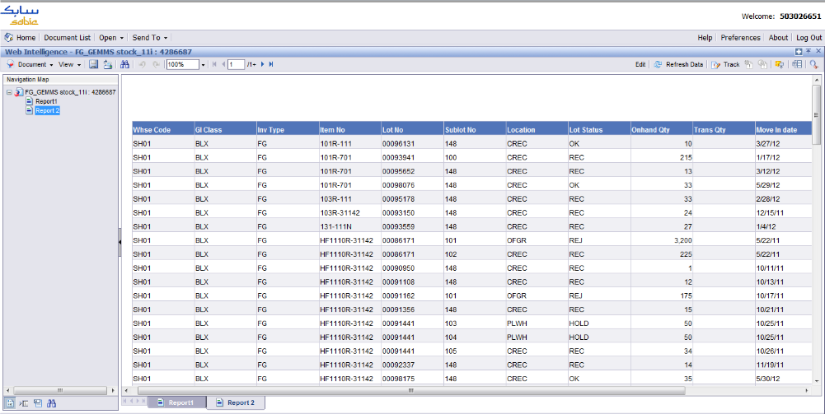
RM Receiving |  | → | BOM |  | → | OF GongDan List | → | GongDan | → | BeiAnDan | → | PingDan

According to the flow chart of SH Customs system, standing on my point of view, there are three local will be affected if SAP launch.
Tidy up the detail below for you all reference.

● RM Receiving module
 | This portion created a RM Balance table, which is being used for stock-tacking and customs e-handbook closure.
 | There are three critical fields: Item No#, Lot No#, BGD No#. That is very important for RM Balance structure.
 | It is necessary to consider these fields to save in SAP.

 |  | ○ Item No# |  | defined thru OPM system
 |  | ○ Lot No# |  | composed by datetime('YYYYMMDD') + suffix + RM Customs Code(coming from SH Customs)
 |  | ○ BGD No# |  | coming from SH Customs

● BOM module
 | This portion created a bill of material containing 10 basic fields which coming from OPM system, listed at below.

 |  | ○ Actual Start Date |  |  | ○ Item No#
 |  | ○ Actual Close Date |  |  | ○ Lot No#
 |  | ○ Batch Path |  |  | ○ Inventory Type
 |  | ○ Batch No# |  |  | ○ FG Qty (Total Out)
 |  | ○ FG No# |  |  | ○ RM Qty (RM Input)
 |  | P.S. | If the 7th of Lot No# is U or X or B charaters, that's means RM Source is USD, otherwise RMB. E.g 120502X/100050

● OF GongDan List module
 | This portion is between BOM and GongDan as pivot, determining & arranging what BOM can be implemented in the following of GongDan.
 | There are four auxiliary tables used in this portion, named XFZ_Inv, QA_BO, eShipment, eSchedule.

 |  | ○ XFZ_Inv |  | daily operation by 3PL(XFZ) provided
 |  | ○ QA_BO |  | daily operation by BOXI, triggered & obtained by Andy Hao, see below screen shot capture
 |  | ○ eShipment |  | daily operation by macro, Edward Wong designed, track back to the source, coming from BOXI
 |  | ○ eSchedule |  | daily operation by line scheduling team thru e-Schedule tool, coming from OPM sys. as well
 |  | P.S. | eShipment and eSchedule two tables are widely used in SCM.
 |  | P.S. | BOXI, actually extract data from OPM & ESS system as well

 |  | ○ eShipment --> critical fields below
 |  |  | [OPM SO], [SHA SO], [Destination], [External Price], [Transfer Price], [Curr], [CustPO], [Order Qty]
 |  | ○ eSchedule --> critical fields below
 |  |  | planned_production_qty, txt_local_so, txt_order_key, dat_finish_date, txt_lot_no, txt_order_key, txt_item_no, txt_remark

In a word, the concern is whether SAP can support the corresponding information(bold fields) if OPM & ESS system retired. Please be noted.

